Sheet4
Inset Illustration

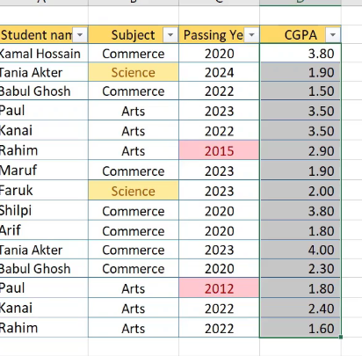
Data Entry

Topic 1
BANGLADESH

Topic 2

